Part2-Q2
Description:
Purchases grapes, dries them to raisins, coats them in sugar, sells them to cereal and candy companies

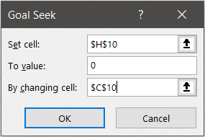
Decisions:
How many grapes to buy?
How much to charge for sugar-coated raisins?

Base Case: |  |  | Solve:
grape cost | $0.68 | per lb | Annual Profit: | $-
sugar cost | $0.55 | per lb
variable cost | $0.20 | per lb | Break-even Grape Cost: | $0.682
fixed overhead cost | $200,000.00 | per yr
sugar-coated raisin cost | $1.73 | per lb
total costs | $1,650,000.00

selling price | $2.20 | per lb
demand | 750000 | lbs
quantity grapes bought | 1000000 | lbs
revenue | $1,650,000.00

